001_11cc_2022m11
Consumer Confidence by Month and Information
https://pxweb2.stat.fi/PxWeb/pxweb/en/StatFin/StatFin__kbar/statfin_kbar_pxt_11cc.px/table/tableViewLayout1/
 | A1 Consumer confidence indicator, CCI = (B1+B2+B4+E1)/4
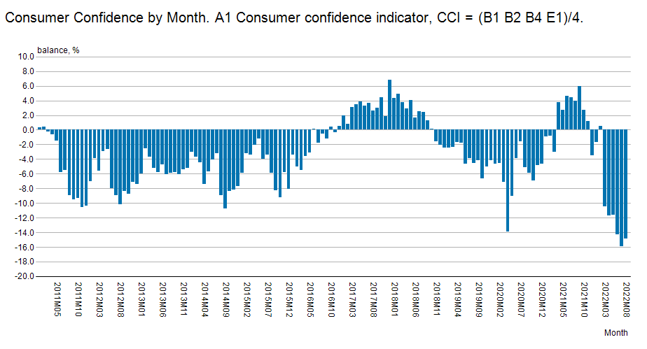
2011M01 | 0.3
2011M02 | 0.4
2011M03 | -0.2
2011M04 | -0.6
2011M05 | -1.5
2011M06 | -5.8
2011M07 | -5.5
2011M08 | -8.9
2011M09 | -9.5
2011M10 | -9.3
2011M11 | -10.6
2011M12 | -10.4
2012M01 | -7.0
2012M02 | -3.9
2012M03 | -5.6
2012M04 | -2.9
2012M05 | -2.6
2012M06 | -8.0
2012M07 | -8.9
2012M08 | -10.2
2012M09 | -8.4
2012M10 | -8.7
2012M11 | -7.1
2012M12 | -7.4
2013M01 | -6.0
2013M02 | -2.5
2013M03 | -3.7
2013M04 | -5.2
2013M05 | -5.8
2013M06 | -4.7
2013M07 | -6.1
2013M08 | -5.9
2013M09 | -5.8
2013M10 | -6.1
2013M11 | -5.4
2013M12 | -5.2
2014M01 | -3.0
2014M02 | -3.7
2014M03 | -4.4
2014M04 | -7.4
2014M05 | -5.7
2014M06 | -4.1
2014M07 | -3.2
2014M08 | -8.9
2014M09 | -10.7
2014M10 | -8.4
2014M11 | -8.2
2014M12 | -7.7
2015M01 | -5.9
2015M02 | -3.2
2015M03 | -3.4
2015M04 | -2.1
2015M05 | -1.2
2015M06 | -4.0
2015M07 | -3.4
2015M08 | -5.9
2015M09 | -8.3
2015M10 | -9.2
2015M11 | -5.8
2015M12 | -8.1
2016M01 | -3.4
2016M02 | -5.0
2016M03 | -5.5
2016M04 | -3.6
2016M05 | -3.1
2016M06 | 0.1
2016M07 | -1.8
2016M08 | -0.5
2016M09 | -1.2
2016M10 | 0.4
2016M11 | -0.3
2016M12 | 0.5
2017M01 | 2.0
2017M02 | 0.8
2017M03 | 3.1
2017M04 | 3.5
2017M05 | 3.9
2017M06 | 3.3
2017M07 | 3.7
2017M08 | 2.6
2017M09 | 3.0
2017M10 | 4.4
2017M11 | 1.9
2017M12 | 6.8
2018M01 | 4.3
2018M02 | 4.9
2018M03 | 3.8
2018M04 | 2.9
2018M05 | 4.1
2018M06 | 1.7
2018M07 | 2.5
2018M08 | 2.4
2018M09 | 1.3
2018M10 | 0.1
2018M11 | -1.6
2018M12 | -2.1
2019M01 | -2.4
2019M02 | -2.4
2019M03 | -2.3
2019M04 | -1.7
2019M05 | -1.8
2019M06 | -4.6
2019M07 | -3.9
2019M08 | -4.5
2019M09 | -4.2
2019M10 | -6.6
2019M11 | -5.0
2019M12 | -4.2
2020M01 | -4.6
2020M02 | -4.5
2020M03 | -7.1
2020M04 | -13.9
2020M05 | -9.0
2020M06 | -3.9
2020M07 | -1.6
2020M08 | -5.1
2020M09 | -5.9
2020M10 | -6.9
2020M11 | -4.8
2020M12 | -4.6
2021M01 | -0.9
2021M02 | -0.8
2021M03 | -3.0
2021M04 | 3.8
2021M05 | 2.7
2021M06 | 4.6
2021M07 | 4.4
2021M08 | 4.0
2021M09 | 6.0
2021M10 | 2.7
2021M11 | 1.2
2021M12 | -3.5
2022M01 | -1.7
2022M02 | 0.5
2022M03 | -10.5
2022M04 | -11.7
2022M05 | -11.6
2022M06 | -14.3
2022M07 | -15.9
2022M08 | -14.9

<A HREF='https://stat.fi/en/statistics/documentation/kbar' TARGET=_blank>Documentation of statistics</A>
. missing . missing
Period 10/1995-04/2019: Information on response distributions cannot be presented - only the (revised) balance figures, inflation estimates and some percentage shares are published.

Latest update:
A1 Consumer confidence indicator, CCI = (B1+B2+B4+E1)/4:
20221128 08:00

Source:
Statistics Finland, consumer confidence

Contact:
A1 Consumer confidence indicator, CCI = (B1+B2+B4+E1)/4:
<A HREF='https://stat.fi/en/statistics/kbar' TARGET=_blank>Statistics' homepage</A>

Copyright

Units:
A1 Consumer confidence indicator, CCI = (B1+B2+B4+E1)/4:
balance

Official statistics

Internal reference code:
001_11cc_2022m11

